AHE36-1-C
ComfortStar Model Number: AHE36-1-C
Power Supply：208~230V/60Hz/1PH
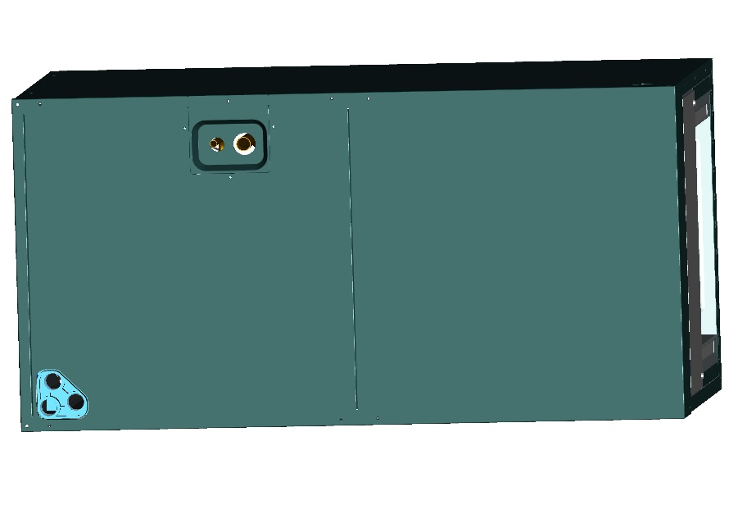 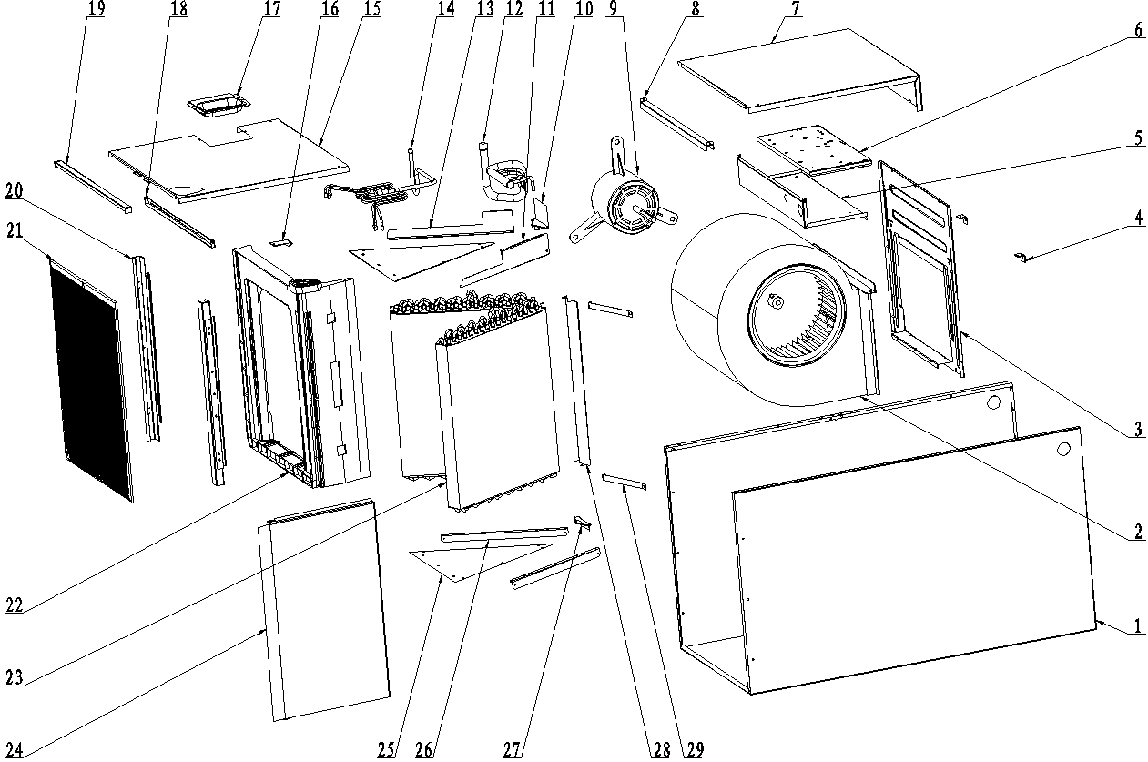 |  | 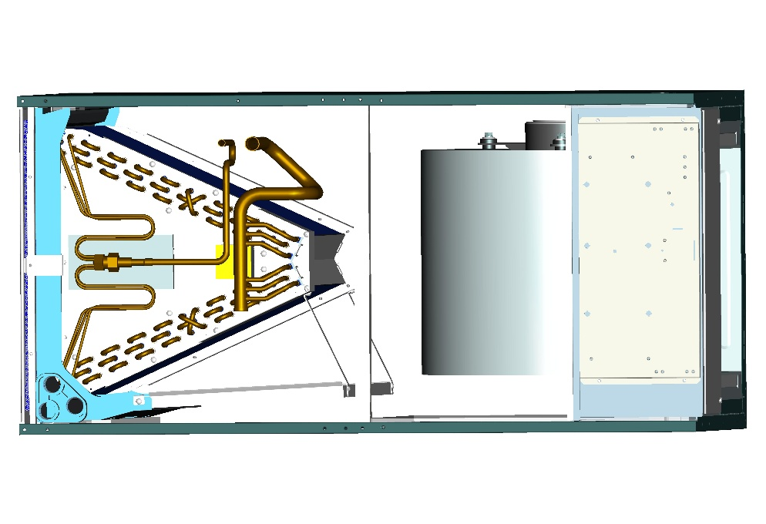

No. | Part Name | Quantity | PART# | Remark
1 | Chasiss assembly | 1 | 801233590081
2 | Right Volute Wind Wheel | 1 | 801200200041
3 | Fan Motor Fixing plate | 1 | 801233590078
4 | Wind Wheel Fixed Block | 2 | 801234590106
5 | Electronic Control Fixing Plate Welding Assembly | 1 | 801233590108
6 | ELectronic Control Components | 1 | 803333590016
6.1 | ELectronic Control Mounting Plate | 1 | 801234590109
6.2 | Main Board | 1 | 803300301031
6.3 | Transformer | 1 | 802300200079
6.4 | Temperature Sensor | 1 | 802300400092
6.5 | Fan Motor Capacitor | 1 | 802401000061
7 | Upper side plate assembly | 1 | 801233590086
8 | Middle Cross Beam Assembly | 1 | 801233590092
9 | Indoor Motor | 1 | 802400400688
10 | Evaporator Fixing Plate #2 | 1 | 801233590105
11 | Evaporator Water Baffle #2 | 1 | 801233590102
12 | Air header Assembly | 1 | 801633590024
13 | Evaporator Water Baffle #1 | 1 | 801233590103
14 | Diverter Assembly | 1 | 801633590025
15 | Lower side plate assembly | 1 | 801233590087
16 | Water pan fixed block | 1 | 801234590091
17 | Pipe Cover plate assembly | 1 | 801234590081
18 | Supporter | 1 | 801233590077
19 | Filter Cover plate | 1 | 801233590094
20 | Water pan supporter assembly | 2 | 801233590088
21 | Filter | 1 | 801133590011
22 | Water pan# 1 | 1 | 801133590010
23 | Evaporator | 2 | 801533590028
24 | Water pan# 2 | 1 | 800733590079
25 | Evaporator Baffle | 2 | 801233590097
26 | Evaporator Water Baffle #1 | 2 | 801233590101
27 | Evaporator Fixing Plate #1 | 1 | 801233590104
28 | Evaporator Junction Plate | 1 | 801233590100
29 | Water pan brace | 1 | 801233590098

