CCT24-410-C
ComfortStar Model Number: CCT24-410-C
Power Supply：208~230V/60Hz/1PH
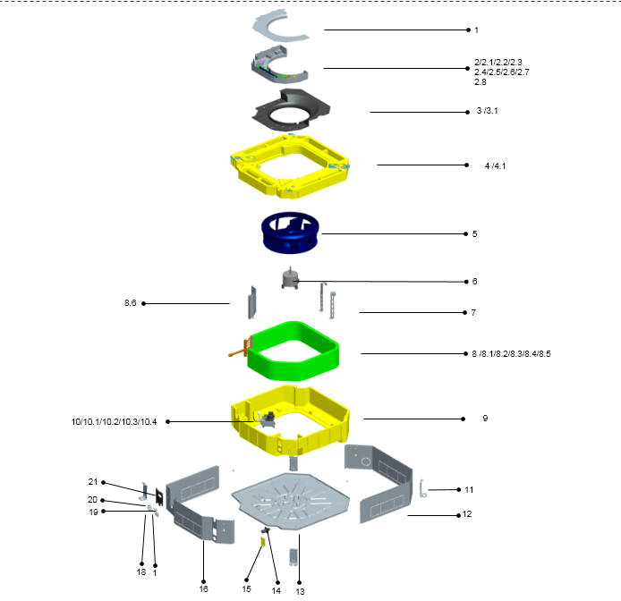

No. | Part Name | Quantity | PART# | Remark
1 | E-parts box cover | 1 | 801229300191
2 | Eletric control components for indoor unit | 1 | 803328390031
2.1 | transformer | 1 | 802300200068
2.2 | Fan motor capacitor | 1 | 802401100036
2.3 | Terminal | 1 | 802401800048
2.4 | Terminal | 1 | 802000200401
2.5 | E-parts board for indoor unit | 1 | 803300300865
2.6 | Temperature sensor | 1 | 802300400116
2.7 | Temperature sensor | 1 | 802300400092
2.8 | Welded chasis for E-parts box | 1 | 801229300190
3 | Wind inlet guide assy | 1 | 801129300039
3.1 | Wind inlet guide | 1 | 801129300040
4 | Water pan components | 1 | 802229300016
4.1 | Foam pendant | 2 | 801228300018
5 | Centrifugal fan | 1 | 801128300018
6 | Fan motor for indoor unit(YDK-45Q-6P2) | 1 | 802400400591
7 | Auxiliary fixing board for evaporator | 2 | 801228300161
8 | Evaporator components | 1 | 801528390011
8.1 | Insulating pipe | 1 | 802100100058
8.2 | Insulating pipe | 1 | 802100100057
8.3 | Evaporator attached cotton | 1 | 802129300059
8.4 | Evaporator welding assy | 1 | 801528390012
8.4.1 | Instalation tube for probe | 1 | 801602600198
8.4.2 | Evaporator | 1 | 801528300030
8.4.3 | collecting pipe welding assy | 1 | 801628300042
8.4.4 | Current divider capillary assy | 1 | 801628390010
8.5 | Main fixing board | 1 | 801228300191
9 | Upper foam components | 1 | 802228300020
10 | Pre-assembling assy for water pump | 1 | 802429300074
10.1 | water pump support | 1 | 801229300182
10.2 | Water pump | 1 | 802401900011
10.3 | Liquid-level sensor | 1 | 802401900012
10.4 | Underlay for water pump support | 3 | 802728300003
11 | Hanger | 4 | 801229300176
12 | Rear brattice | 1 | 801228300166
13 | Chassis assy | 1 | 801228300167
14 | Discharge pipe joint | 1 | 801101000012
15 | Side maintenance board for water pump | 1 | 801228300009
16 | Front brattice | 1 | 801228300165
17 | Lower pipe clamp | 1 | 801229300179
18 | Lower pipe clamp(φ35) | 1 | 801229300145
19 | Upper pipe clamp | 1 | 801229300193
20 | Upper pipe clamp(φ35) | 1 | 801229300146
21 | Valve panel | 1 | 801129300041

CCT36-410-C
ComfortStar Model Number: CCT36-410-C
Power Supply：208~230V/60Hz/1PH
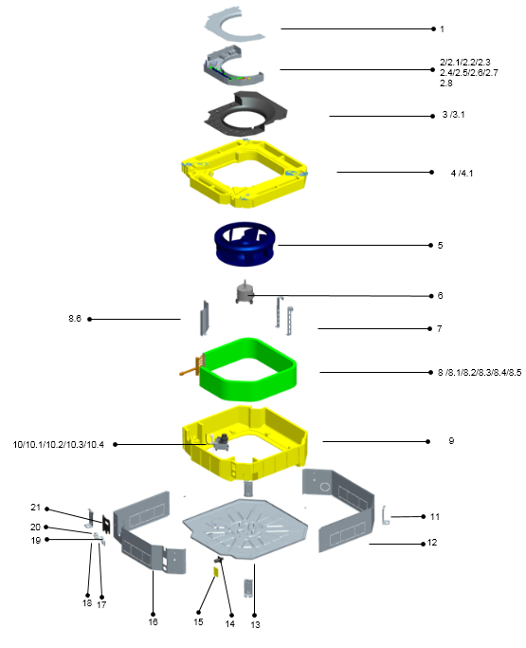

No. | Part Name | Quantity | PART# | Remark
1 | E-parts box cover | 1 | 801229300191
2 | Eletric control components for indoor unit | 1 | 803328990026
2.1 | transformer | 1 | 802300200068
2.2 | Fan motor capacitor | 1 | 802401100036
2.3 | Terminal | 1 | 802401800048
2.4 | Terminal | 1 | 802000200401
2.5 | E-parts board for indoor unit | 1 | 803300300865
2.6 | Temperature sensor | 1 | 802300400116
2.7 | Temperature sensor | 1 | 802300400092
2.8 | Welded chasis for E-parts box | 1 | 801229300190
3 | Wind inlet guide assy | 1 | 801129300039
3.1 | Wind inlet guide | 1 | 801129300040
4 | Water pan components | 1 | 802229300016
4.1 | Foam pendant | 2 | 801228300018
5 | Centrifugal fan | 1 | 801128300018
6 | Fan motor for indoor unit(YDK-45Q-6P2) | 1 | 802400400591
7 | Auxiliary fixing board for evaporator | 2 | 801228300161
8 | Evaporator components | 1 | 801528990032
8.1 | Insulating pipe | 1 | 802100100058
8.2 | Insulating pipe | 1 | 802100100057
8.3 | Evaporator attached cotton | 1 | 802129300059
8.4 | Evaporator welding assy | 1 | 801528990031
8.4.1 | Instalation tube for probe | 1 | 801602600198
8.4.2 | Evaporator | 1 | 801528300030
8.4.3 | collecting pipe welding assy | 1 | 801628300042
8.4.4 | Current divider capillary assy | 1 | 801628990030
8.5 | Main fixing board | 1 | 801228300191
9 | Upper foam components | 1 | 802228300020
10 | Pre-assembling assy for water pump | 1 | 802429300074
10.1 | water pump support | 1 | 801229300182
10.2 | Water pump | 1 | 802401900011
10.3 | Liquid-level sensor | 1 | 802401900012
10.4 | Underlay for water pump support | 3 | 802728300003
11 | Hanger | 4 | 801229300176
12 | Rear brattice | 1 | 801228300166
13 | Chassis assy | 1 | 801228300167
14 | Discharge pipe joint | 1 | 801101000012
15 | Side maintenance board for water pump | 1 | 801228300009
16 | Front brattice | 1 | 801228300165
17 | Lower pipe clamp | 1 | 801229300179
18 | Lower pipe clamp(φ35) | 1 | 801229300145
19 | Upper pipe clamp | 1 | 801229300193
20 | Upper pipe clamp(φ35) | 1 | 801229300146
21 | Valve panel | 1 | 801129300041

CCT48-410-C
ComfortStar Model Number: CCT48-410-C
Power Supply：208~230V/60Hz/1PH
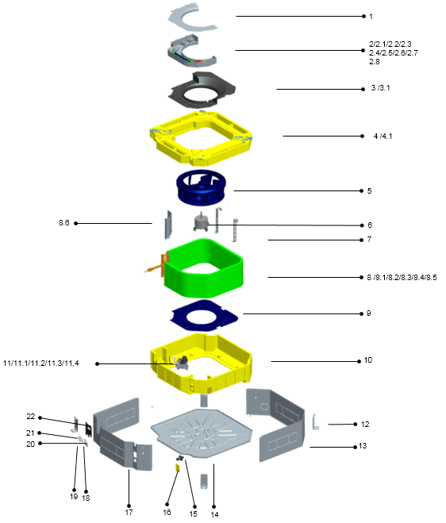

No. | Part Name | Quantity | PART# | Remark
1 | E-parts box cover | 1 | 801229300191
2 | Eletric control components for indoor unit | 1 | 803329790022
2.1 | transformer | 1 | 802300200068
2.2 | Fan motor capacitor | 1 | 802401100041
2.3 | Terminal | 1 | 802429300065
2.4 | Terminal | 1 | 802425590006
2.5 | E-parts board for indoor unit | 1 | 803300300865
2.6 | Temperature sensor | 1 | 802300400116
2.7 | Temperature sensor | 1 | 802300400092
2.8 | Welded chasis for E-parts box | 1 | 801229300190
3 | Wind inlet guide assy | 1 | 801129300039
3.1 | Wind inlet guide | 1 | 801129300040
4 | Water pan components | 1 | 802229300016
4.1 | Foam pendant | 2 | 801228300018
5 | Centrifugal fan | 1 | 801129300042
6 | Fan motor for indoor unit(YDK-75Q-6P2) | 1 | 802400400356
7 | Auxiliary fixing board for evaporator | 2 | 801229300181
8 | Evaporator components | 1 | 801529790025
8.1 | Insulating pipe | 1 | 802100100058
8.2 | Insulating pipe | 1 | 802100100059
8.3 | Evaporator attached cotton | 1 | 802129300059
8.4 | Evaporator welding assy | 1 | 801529790026
8.4.1 | Instalation tube for probe | 1 | 801602600198
8.4.2 | Evaporator | 1 | 801529300039
8.4.3 | collecting pipe welding assy | 1 | 801629300041
8.4.4 | Current divider capillary assy | 1 | 801629790019
8.5 | Main fixing board | 1 | 801229300228
9 | The chassis plate | 1 | 801229300175
10 | Upper foam components | 1 | 802229300015
11 | Pre-assembling assy for water pump | 1 | 802429300074
11.1 | water pump support | 1 | 801229300182
11.2 | Water pump | 1 | 802401900011
11.3 | Liquid-level sensor | 1 | 802401900012
11.4 | Underlay for water pump support | 3 | 802728300003
12 | Hanger | 4 | 801229300176
13 | Rear brattice | 1 | 801229300180
14 | Chassis assy | 1 | 801229300192
15 | Discharge pipe joint | 1 | 801101000012
16 | Side maintenance board for water pump | 1 | 801228300009
17 | Front brattice | 1 | 801229300178
18 | Lower pipe clamp | 1 | 801229300179
19 | Lower pipe clamp(φ35) | 1 | 801229300145
20 | Upper pipe clamp | 1 | 801229300193
21 | Upper pipe clamp(φ35) | 1 | 801229300146
22 | Valve panel | 1 | 801129300041

CCT60-410-C
ComfortStar Model Number: CCT60-410-C
Power Supply：208~230V/60Hz/1PH
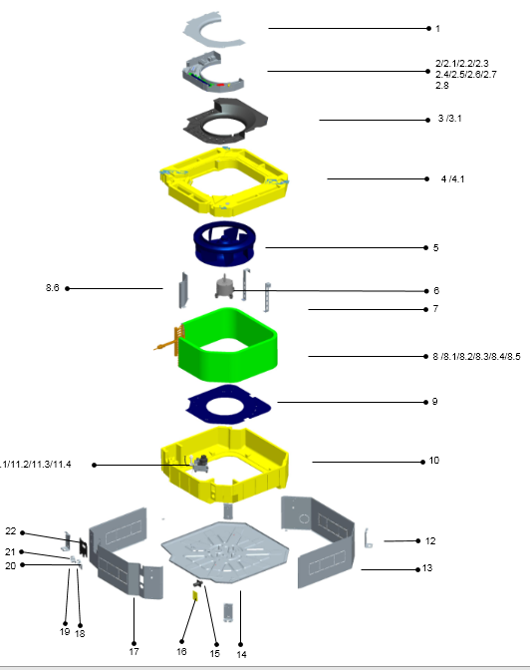

No. | Part Name | Quantity | PART# | Remark
1 | E-parts box cover | 1 | 801229300191
2 | Eletric control components for indoor unit | 1 | 803329790022
2.1 | transformer | 1 | 802300200068
2.2 | Fan motor capacitor | 1 | 802401100041
2.3 | Terminal | 1 | 802429300065
2.4 | Terminal | 1 | 802425590006
2.5 | E-parts board for indoor unit | 1 | 803300300865
2.6 | Temperature sensor | 1 | 802300400116
2.7 | Temperature sensor | 1 | 802300400092
2.8 | Welded chasis for E-parts box | 1 | 801229300190
3 | Wind inlet guide assy | 1 | 801129300039
3.1 | Wind inlet guide | 1 | 801129300040
4 | Water pan components | 1 | 802229300016
4.1 | Foam pendant | 2 | 801228300018
5 | Centrifugal fan | 1 | 801129300042
6 | Fan motor for indoor unit(YDK-75Q-6P2) | 1 | 802400400356
7 | Auxiliary fixing board for evaporator | 2 | 801229300181
8 | Evaporator components | 1 | 801529790025
8.1 | Insulating pipe | 1 | 802100100058
8.2 | Insulating pipe | 1 | 802100100059
8.3 | Evaporator attached cotton | 1 | 802129300059
8.4 | Evaporator welding assy | 1 | 801529790026
8.4.1 | Instalation tube for probe | 1 | 801602600198
8.4.2 | Evaporator | 1 | 801529300039
8.4.3 | collecting pipe welding assy | 1 | 801629300041
8.4.4 | Current divider capillary assy | 1 | 801629790019
8.5 | Main fixing board | 1 | 801229300228
9 | The chassis plate | 1 | 801229300175
10 | Upper foam components | 1 | 802229300015
11 | Pre-assembling assy for water pump | 1 | 802429300074
11.1 | water pump support | 1 | 801229300182
11.2 | Water pump | 1 | 802401900011
11.3 | Liquid-level sensor | 1 | 802401900012
11.4 | Underlay for water pump support | 3 | 802728300003
12 | Hanger | 4 | 801229300176
13 | Rear brattice | 1 | 801229300180
14 | Chassis assy | 1 | 801229300192
15 | Discharge pipe joint | 1 | 801101000012
16 | Side maintenance board for water pump | 1 | 801228300009
17 | Front brattice | 1 | 801229300178
18 | Lower pipe clamp | 1 | 801229300179
19 | Lower pipe clamp(φ35) | 1 | 801229300145
20 | Upper pipe clamp | 1 | 801229300193
21 | Upper pipe clamp(φ35) | 1 | 801229300146
22 | Valve panel | 1 | 801129300041

