12K 110V Indoor
 | Model name: | CHA12CA(I)
 | Power Supply： | 208-230V/1Ph/60HZ
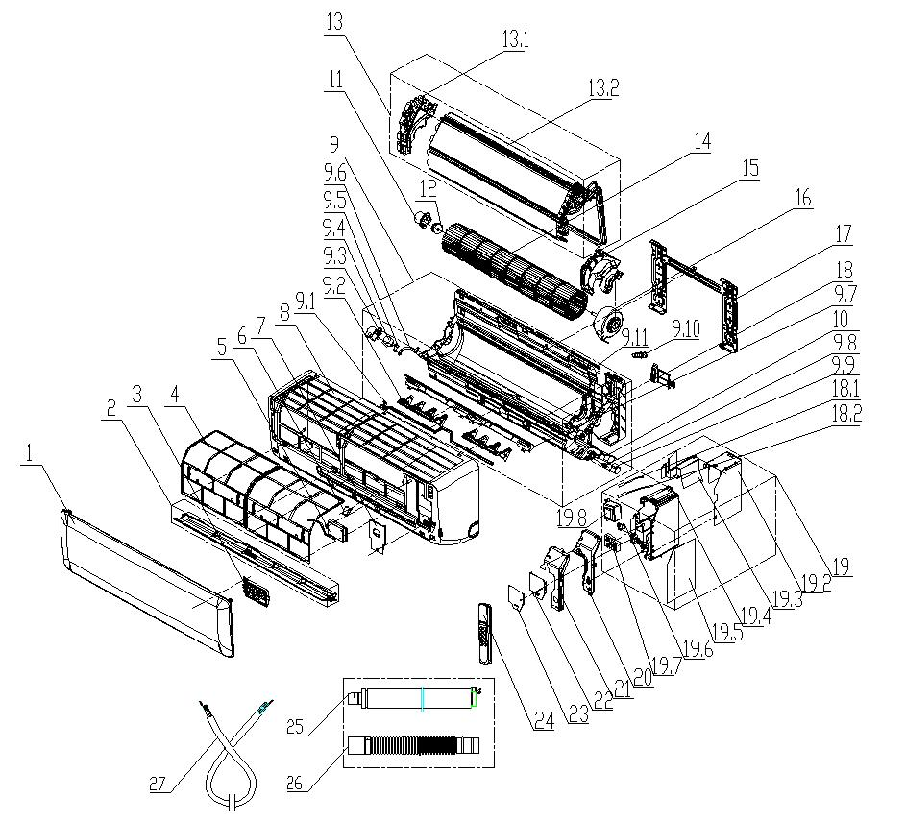

No. | Part Name | Quantity | BOM Code | Price | Remark
1 | panel | 1 | 11320003003630 | 7.7
2 | air louver（Horizontal） | 1 | 11320005000381 | 3.3
3 | display board | 1 | 11222014000608 | 7.6
4 | filter | 2 | 11220508000139 | 2.6
6 | Screw cover | 1 | 11320096000104 | 0.1
7 | medium frame wiring cover | 1 | 11320076000109 | 2.5
8 | medium frame | 1 | 11320002000362 | 17.4
9 | chassis assembly | 1 | 11220500000214 | 27.1
9.2 | left-right swing blade | 2 | 11320017000124 | 1.4
9.7 | volute | 1 | 11320135000018 | 1.5
9.8 | step motor shaft sleeve | 1 | 11320079000016 | 0.1
9.9 | air louver step motor | 1 | 11230002000086 | 3.6
9.10 | stopple | 1 | 11333003000009 | 0.9
9.11 | chassis | 1 | 11320001000241 | 16.6
10 | anion generator | 1 | 11330016000018 | 5.0
11 | bearing fixed chassis | 1 | 11320062000028 | 0.3
13 | Evaporator assembly | 1 | 11224003000764 | 45.2
13.1 | evaporator left side carriage | 1 | 11320015000139 | 1.7
14 | cross flow fan | 1 | 11220513000065 | 9.9
15 | motor cover | 1 | 11320052000044 | 1.1
16 | IDU fan motor | 1 | 11230003000171 | 25.8
17 | mounting plate assembly | 1 | 11221500000034 | 4.4
18 | pipe clamp | 1 | 11320084000013 | 0.4
19 | Main controller | 1 | 11222003003081 | 29.3
19.1 | temperature sensor | 1 | 11329013000103 | 4.4
19.4 | control box | 1 | 11320057000082 | 4.5
19.5 | Main control board | 1 | 11222009003729 | 21.8
19.7 | terminal board | 1 | 11330037000144 | 2.3
19.8 | Transformer | 1 | 11330024000004 | 7.6
20 | control box cover | 1 | 11320058000067 | 1.3
24 | Remote controller | 1 | 13222041000007 | $4.66
25 | Drain pipe assembly | 1 | 11220506000002 | 1.8
26 | drain hose | 1 | 11320020000008 | 1.8
27 | power cable | 1 | 11330021000409 | 9.7

12K 110V Outdoor
 | Model name: | CHA12CA(O)
 | Power Supply： | 208-230V/1Ph/60HZ
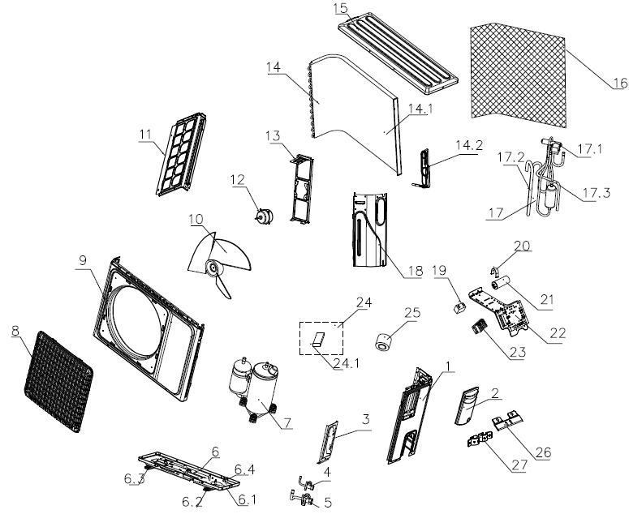

No. | Part Name | Quantity | BOM Code | Price | Remark
1 | right side board | 1 | 11321157000029 | 5.8
2 | E-parts cover | 1 | 11320068000009 | 2.2
3 | valve plate | 1 | 11321031000027 | 2.0
4 | stop valve | 1 | 11325042000030 | 5.6
5 | stop valve | 1 | 11325042000015 | 5.6
6 | Chassis assembly | 1 | 11221502000434 | 13.2
6.1 | chassis | 1 | 11321014000144 | 9.0
6.2 | base footing | 2 | 11321023000012 | 1.9
6.4 | bolt | 3 | 14731005000042 | 0.4
7 | compressor | 1 | 11223003000316 | 102.1
8 | panel grille | 1 | 11320026000059 | 3.6
9 | panel | 1 | 11321005000104 | 13.2
10 | axial flow fan | 1 | 11320009000049 | 6.7
11 | left side board | 1 | 11321006000108 | 4.1
12 | motor | 1 | 11230004000133 | 24.2
13 | motor support | 1 | 11321002000039 | 4.2
14 | Condenser assembly | 1 | 11224004001436 | 58.1
14.1 | condenser assembly | 1 | 11224006000467 | 56.0
14.2 | Capillary assembly | 1 | 11225506001777 | 3.6
15 | top cover | 1 | 11321009000033 | 8.9
16 | paper board | 1 | 11332009000044 | 0.9
17 | 4-way valve tubing assembly | 1 | 11225516001004 | 26.5
17.1 | 4-way valve | 1 | 11325007000111 | 18.6
17.2 | suction pipe | 1 | 11225504000800 | 8.8
17.3 | discharge pipe | 1 | 11225505000888 | 6.5
18 | partition board | 1 | 11321025000047 | 4.3
19 | Fan motor capacitor | 1 | 11330010000115 | 2.5
20 | Capacitor clamp | 1 | 11321001000029 | 0.2
21 | Compressor capacitor | 1 | 11330009000100 | 7.2
22 | E-parts bracket | 1 | 11321015000033 | 2.4
23 | terminal board | 1 | 11330037000129 | $1.95
24 | packing bag | 1 | 11219005000166 | 1.3
24.1 | putty | 1 | 14618079000002 | 0.6
25 | cable tie | 1 | 11320022000019 | 3.0

18K Indoor
 | Model name: | CHA18CD(I)
 | Power Supply： | 208-230V/1Ph/60HZ
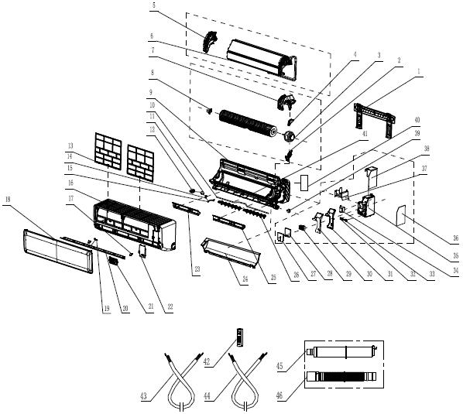

No. | Part Name | Quantity | BOM Code | Price | Remark
1 | mounting plate assembly | 1 | 11321003000028 | 2.7
3 | indoor fan motor | 1 | 11230003000144 | 30.9
5 | evaporator left side carriage | 1 | 11320015000138 | 2.3
6 | evaporator assembly | 1 | 11224003000730 | 63.8
7 | motor cover | 1 | 11320052000043 | 2.3
8 | bearing assembly | 1 | 11220551000003 | 0.8
9 | chassis | 1 | 11320001000240 | 16.0
13 | filter | 2 | 11220508000140 | 2.0
16 | medium frame | 1 | 11320002000303 | 14.8
17 | screw cover | 2 | 11320096000104 | 0.0
18 | panle | 1 | 11320003003044 | 6.6
19 | air louver | 1 | 11320080000007 | 0.1
20 | air louver | 1 | 11320005000379 | 2.8
21 | display board assembly | 1 | 11222014000608 | 4.9
22 | medium frame wiring cover | 1 | 11320076000057 | 1.3
23 | chassis foam B | 1 | 11328030000012 | 1.0
24 | chassis foam A | 1 | 11328003000120 | 1.6
25 | chassis foam D | 1 | 11328030000014 | 1.2
26 | left-right swing blade | 2 | 11320017000122 | 1.1
28 | cover of electric controller box | 1 | 11320058000068 | 1.4
29 | terminal board | 1 | 11330037000144 | 2.5
32 | wire clamp | 1 | 11320010000046 | 0.1
34 | transformer | 1 | 11330024000007 | 4.9
35 | controller box | 1 | 11320057000083 | 3.5
36 | main PCB | 1 | 11222009003736 | 16.2
39 | step motor | 1 | 11230002000071 | 2.4
40 | pipe clamp | 1 | 11320084000014 | 0.5
41 | volute | 1 | 11320135000017 | 2.6
42 | Remote controller | 1 | 13222041000007 | 4.7
43 | power cable 1 | 1 | 11330021000409 | 3.4
44 | power cable 2 | 1 | 11330021000707 | $9.06
45 | Outlet pipe assembly | 1 | 11220506000009 | 1.9
46 | Drain pipe | 1 | 11320020000008 | 1.4

18K Outdoor
 | Model name: | CHA18CD(O)
 | Power Supply： | 208-230V/1Ph/60HZ
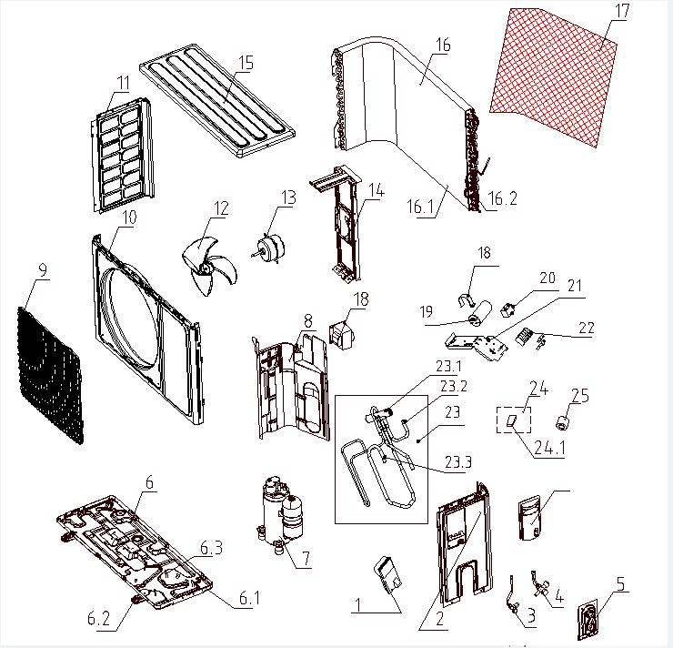

No. | Part Name | Quantity | BOM Code | Price | Remark
1 | E-parts cover | 1 | 11320068000009 | 1.7
2 | right side panel | 1 | 11321157000032 | 3.8
3 | stop valve dg4 | 1 | 11325042000030 | 3.7
4 | stop valve dg10 | 1 | 11225517000036 | 6.2
5 | valve plate | 1 | 11321031000027 | 1.6
6 | Chassis assembly | 1 | 11221502000455 | 11.7
7 | Compressor assembly | 1 | 11223003000299 | 127.9
8 | partition board | 1 | 11321025000049 | 3.4
9 | panel plastic mesh cover | 1 | 11320026000061 | 2.6
10 | panel | 1 | 11321005000107 | 9.0
11 | left support | 1 | 11321006000112 | 2.8
12 | axial flow fan | 1 | 11320009000063 | 5.4
13 | motor | 1 | 11230004000406 | 18.8
14 | motor support | 1 | 11321002000040 | 3.0
15 | top cover | 1 | 11321009000057 | 6.6
16 | Condenser assembly | 1 | 11224004001451 | 61.4
17 | Isolation of cardboard | 1 | 11332009000046 | 0.8
18 | capacitor clamp | 1 | 11321001000029 | 0.2
19 | compressor capacitor | 1 | 11330009000088 | 5.5
20 | fan motor capacitor | 1 | 11330010000054 | 1.9
21 | E-parts bracket | 1 | 11321015000035 | 2.0
22 | terminal board | 1 | 11330037000129 | 2.3
23 | 4-way valve tubing assembly | 1 | 11225516000953 | 31.3
24 | accessory bag | 1 | 11219005000166 | 1.0
25 | plastic tie | 1 | 11320022000019 | 2.3

24K Indoor
 | Model name: | CHA24CD(I)
 | Power Supply： | 208-230V/1Ph/60HZ
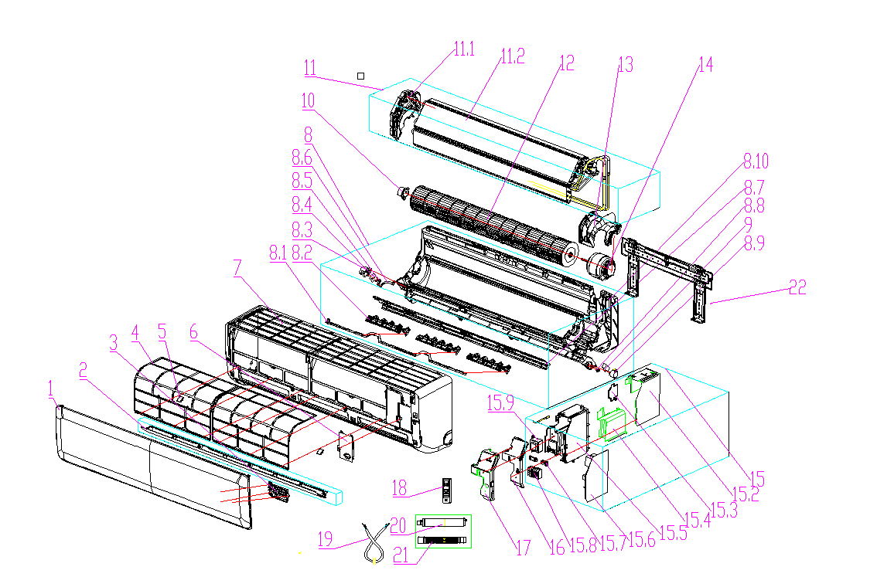

No. | Part Name | Quantity | BOM Code | Price | Remark
1 | panel | 1 | 11320003003003 | 15.5
2 | air louver（Horizontal） | 1 | 11320005000377 | 5.4
3 | display board | 1 | 11222014000608 | 7.6
4 | filter | 2 | 11220508000138 | 3.0
5 | Screw cover | 3 | 11320096000104 | 0.1
6 | medium frame wiring cover | 1 | 11320076000057 | 1.7
7 | medium frame | 1 | 11320002000301 | 29.9
8 | chassis assembly | 1 | 11220500000216 | 27.7
8.7 | air louver | 1 | 11220567000008 | 5.2
8.8 | step motor shaft sleeve | 1 | 11320079000016 | 0.1
8.9 | air louver step motor | 1 | 11230002000071 | 3.7
8.10 | chassis | 1 | 11320001000194 | 29.8
10 | bearing assembly | 1 | 11220551000003 | 1.1
11 | Evaporator assembly | 1 | 11224003000720 | 85.1
11.1 | evaporator left side carriage | 1 | 11320015000136 | 3.0
11.2 | evaporator assembly | 1 | 11224009000278 | 28.2
11.2 | evaporator assembly | 1 | 11224009000325 | 40.2
12 | cross flow fan | 1 | 11220513000059 | 15.0
13 | motor cover | 1 | 11320052000035 | 2.1
14 | IDU fan motor | 1 | 11230003000137 | 40.8
15 | Main controller | 1 | 11222003003156 | 37.1
15.5 | control box | 1 | 11320057000066 | 5.1
15.6 | Main control board | 1 | 11222009003763 | 28.4
15.8 | terminal board | 1 | 11330037000078 | 3.7
16 | control box cover | 1 | 11320058000055 | 2.2
18 | Remote controller | 1 | 13222041000007 | 4.7
19 | power cable | 1 | 11330021000998 | 21.5
19 | power cable | 1 | 11330021000383 | 5.3
20 | Outlet pipe assembly | 1 | 11220506000009 | 2.4
21 | Drain pipe | 1 | 11320020000008 | 1.8
22 | Hanging board components | 1 | 11221500000029 | $5.51

24K Outdoor
 | Model name: | CHA24CD(O)
 | Power Supply： | 208-230V/1Ph/60HZ
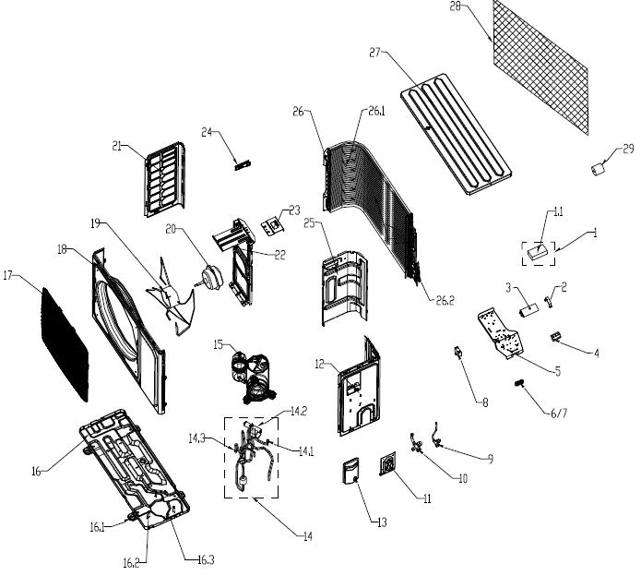

No. | Part Name | Quantity | BOM Code | Price | Remark
1 | accessory bag | 1 | 11219005000167 | #REF!
2 | Capacitor clamp | 1 | 11321001000029 | #REF!
3 | Compressor capacitor | 1 | 11330009000089 | #REF!
4 | terminal board | 1 | 11330037000062 | #REF!
5 | E-parts bracket | 1 | 11321015000041 | #REF!
6 | Double pressure wire cover | 1 | 11320010000031 | 0.2
7 | Double crimping seat | 1 | 11220544000008 | 0.5
8 | Fan motor capacitor | 1 | 11330010000114 | #REF!
9 | stop valve | 1 | 11325042000030 | 5.4
10 | stop valve | 1 | 11225517000011 | 14.0
11 | valve plate | 1 | 11321031000027 | 1.5
12 | right side board | 1 | 11321157000002 | 14.4
13 | E-parts cover | 1 | 11320068000009 | 2.0
14 | 4-way valve tubing assembly | 1 | 11225516000950 | #REF!
15 | Compressor assembly | 1 | 11223003000209 | 178.0
16 | Chassis assembly | 1 | 11221502000585 | 17.4
17 | panel grille | 1 | 11320026000052 | 3.3
18 | panel | 1 | 11321005000092 | 17.8
19 | axial flow fan | 1 | 11320009000064 | 7.4
20 | motor | 1 | 11230004000380 | 28.3
21 | left side board | 1 | 11321156000002 | 4.1
22 | motor support | 1 | 11321002000036 | 5.8
23 | suspension loop | 1 | 11321029000009 | 0.4
24 | left handle | 1 | 11320097000011 | 0.2
25 | partition board | 1 | 11321025000063 | 4.7
26 | Condenser assembly | 1 | 11224004001456 | 85.4
27 | top cover | 1 | 11321009000052 | 9.8
28 | Isolation of cardboard | 1 | 11332009000051 | 0.5
29 | plastic grille | 1 | 11320022000019 | 1.1

