ENC24-1-C
ComfortStar Model Number: ENC24-1-C
Power Supply：208~230V/60Hz/1PH
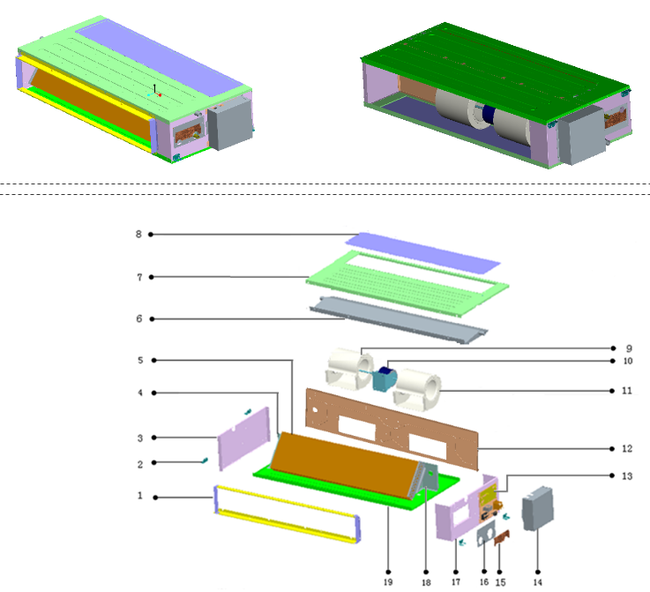

No. | Part Name | Quantity | PART# | Remark
1 | Air outlet assy | 1 | 801232900242
1.1 | Air outlet upper and lower horizontal bar | 2 | 802132900049
2 | Hanger | 4 | 801233700186
3 | Left clapboard | 1 | 801233700203
4 | Left connecting panel for evaporator | 1 | 801233700118
5 | Evaporator components | 1 | 801532900020
5.1 | Transition tube | 6 | 801602100010
5.2 | Current dividing assy | 1 | 801632990003
5.3 | Collecting pipe assy | 1 | 801632900046
5.4 | Evaporator assy | 1 | 801532900021
5.5 | Installation tube for probe | 1 | 801602600198
6 | Water pan assy | 1 | 801232900160
6.1 | water-containing plate | 1 | 801232900156
7 | Lower panel | 1 | 801232900234
9 | Left wind wheel scroll case | 1 | 801200200015
10 | Motor for indoor unit | 1 | 802400400535
11 | Right wind wheel scroll case | 1 | 801200200014
12 | Fixing board assy for fan | 1 | 801232900194
13 | Eletronic control components | 1 | 803332990014
13.1 | Eletronic control board for indoor unit | 1 | 803300300878
13.2 | Temp sensor | 1 | 802300400086
13.3 | PTC transformer | 1 | 802300200068
13.4 | Terminal | 1 | 802428990001
13.5 | Groove clamp 7 | 2 | 801102000018
13.6 | E- parts box chassis | 1 | 801233700174
14 | E- parts cover | 1 | 801233700103
15 | Small cover | 1 | 801233700113
16 | Big cover | 1 | 801233700101
17 | Right clapboard | 1 | 801233700204
18 | Right connecting panel for evaporator | 1 | 801233700116
19 | Upper panel | 1 | 802132900067

ENC36-1-C
ComfortStar Model Number: ENC36-1-C
Power Supply：208~230V/60Hz/1PH
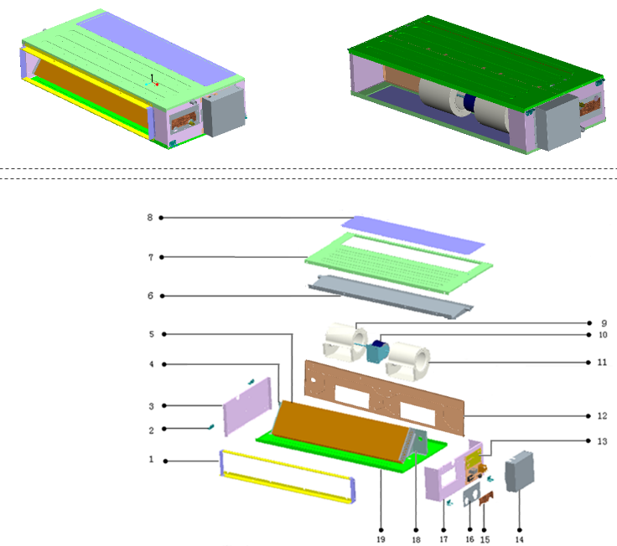

No. | Part Name | Quantity | PART# | Remark
1 | Air outlet assy | 1 | 801232900147
1.1 | Air outlet left and right vertical bar | 2 | 801233700099
1.2 | Air outlet upper and lower horizontal bar | 2 | 801232900146
2 | Hanger | 4 | 801232500033
3 | Left clapboard | 1 | 801233700119
4 | Left connecting panel for evaporator | 1 | 801233700118
5 | Evaporator components | 1 | 801532900020
5.1 | Transition tube | 6 | 801602100010
5.2 | Current dividing assy | 1 | 801633590005
5.3 | Collecting pipe assy | 1 | 801632900046
5.4 | Evaporator assy | 1 | 801532900021
5.5 | Installation tube for probe | 1 | 801602600198
6 | Water pan assy | 1 | 801232900160
6.1 | Discharge pipe | 2 | 801233700121
6.2 | water-containing plate | 1 | 801232900153
7 | Lower panel | 1 | 801232900155
8 | Air return baffle | 1 | 801232900150
9 | Left wind wheel scroll case | 1 | 801200200015
10 | Motor for indoor unit | 1 | 802400400478
11 | Right wind wheel scroll case | 1 | 801200200014
12 | Fixing board assy for fan | 1 | 801232900149
13 | Eletronic control components | 1 | 803333590003
13.1 | Eletronic control board for indoor unit | 1 | 803300300877
13.2 | Temp sensor | 1 | 802300400114
13.3 | PTC transformer | 1 | 802300200068
13.4 | Terminal | 1 | 802428990001
13.5 | Groove clamp 7 | 2 | 801102000018
13.6 | E- parts box chassis | 1 | 801233700102
14 | E- parts cover | 1 | 801233700103
15 | Small cover | 1 | 801233700113
16 | Big cover | 1 | 801233700101
17 | Right clapboard | 1 | 801233700114
18 | Right connecting panel for evaporator | 1 | 801233700116
19 | Upper panel | 1 | 801232900154

ENC48-1-C
ComfortStar Model Number: ENC48-1-C
Power Supply：208~230V/60Hz/1PH
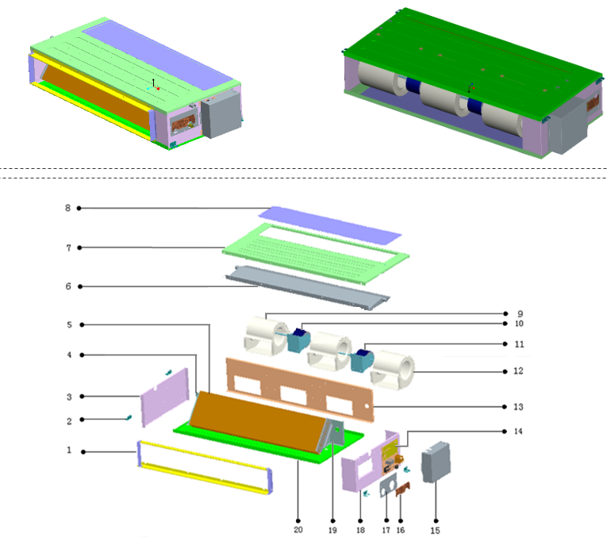

No. | Part Name | Quantity | PART# | Remark
1 | Air outlet assy | 1 | 801233700100
1.1 | Air outlet left and right vertical bar | 2 | 801233700099
1.2 | Air outlet upper and lower horizontal bar | 2 | 801233700098
2 | Hanger | 4 | 801232500033
3 | Left clapboard | 1 | 801233700119
4 | Left connecting panel for evaporator | 1 | 801233700118
5 | Evaporator components | 1 | 801533700011
5.1 | Transition tube | 6 | 801602100010
5.2 | Current dividing assy | 1 | 801634190009
5.3 | Collecting pipe assy | 1 | 801633700034
5.4 | Evaporator assy | 1 | 801533700012
5.5 | Installation tube for probe | 1 | 801602600198
6 | Water pan assy | 1 | 801233700097
6.1 | Discharge pipe assy | 2 | 801233700121
6.2 | Rubber cover for water outlet joint | 2 | 802725500002
7 | Lower panel | 1 | 801233700112
8 | Air return baffle | 1 | 801233700106
9 | Left wind wheel scroll case | 2 | 801200200015
10 | Motor for indoor unit | 1 | 802400400484
11 | Motor for indoor unit | 1 | 802400400483
12 | Right wind wheel scroll case | 1 | 801200200014
13 | Fixing board assy for fan | 1 | 801233700105
14 | Eletronic control components | 1 | 803334190012
14.1 | Eletronic control board for indoor unit | 1 | 803300300777
14.2 | Temp sensor | 1 | 802300400086
14.3 | PTC transformer | 1 | 802300200068
14.4 | Terminal | 1 | 802425590010
14.5 | Groove clamp 7 | 2 | 801102000018
14.6 | E- parts box chassis | 1 | 801233700102
15 | E- parts cover | 1 | 801233700103
16 | Small cover | 1 | 801233700113
17 | Big cover | 1 | 801233700101
18 | Right clapboard | 1 | 801233700114
19 | Right connecting panel for evaporator | 1 | 801233700116
20 | Upper panel | 1 | 801233700111

ENC60-1-C
ComfortStar Model Number: ENC60-1-C
Power Supply：208~230V/60Hz/1PH
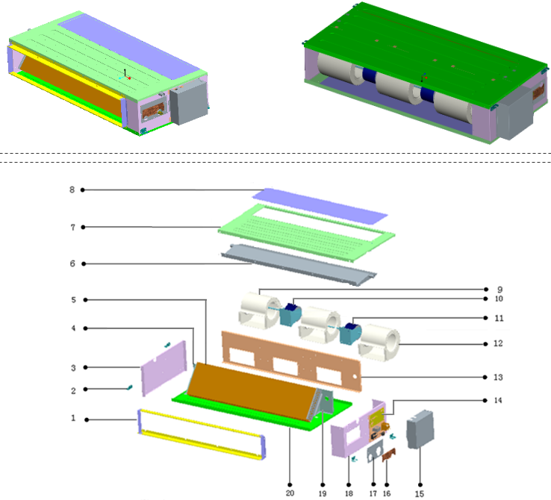

No. | Part Name | Quantity | PART# | Remark
1 | Air outlet assy | 1 | 801233700100
1.1 | Air outlet left and right vertical bar | 2 | 801233700099
1.2 | Air outlet upper and lower horizontal bar | 2 | 801233700098
2 | Hanger | 4 | 801232500033
3 | Left clapboard | 1 | 801233700119
4 | Left connecting panel for evaporator | 1 | 801233700118
5 | Evaporator components | 1 | 801533700011
5.1 | Transition tube | 6 | 801602100010
5.2 | Current dividing assy | 1 | 801634590005
5.3 | Collecting pipe assy | 1 | 801633700034
5.4 | Evaporator assy | 1 | 801533700012
5.5 | Installation tube for probe | 1 | 801602600198
6 | Water pan assy | 1 | 801233700097
6.1 | Discharge pipe assy | 2 | 801233700121
6.2 | Rubber cover for water outlet joint | 2 | 802725500002
7 | Lower panel | 1 | 801233700112
8 | Air return baffle | 1 | 801233700106
9 | Left wind wheel scroll case | 2 | 801200200015
10 | Motor for indoor unit | 1 | 802400400484
11 | Motor for indoor unit | 1 | 802400400483
12 | Right wind wheel scroll case | 1 | 801200200014
13 | Fixing board assy for fan | 1 | 801233700105
14 | Eletronic control components | 1 | 803334190012
14.1 | Eletronic control board for indoor unit | 1 | 803300300777
14.2 | Temp sensor | 1 | 802300400086
14.3 | PTC transformer | 1 | 802300200068
14.4 | Terminal | 1 | 802425590010
14.5 | Groove clamp 7 | 2 | 801102000018
14.6 | E- parts box chassis | 1 | 801233700102
15 | E- parts cover | 1 | 801233700103
16 | Small cover | 1 | 801233700113
17 | Big cover | 1 | 801233700101
18 | Right clapboard | 1 | 801233700114
19 | Right connecting panel for evaporator | 1 | 801233700116
20 | Upper panel | 1 | 801233700111

